Sheet1
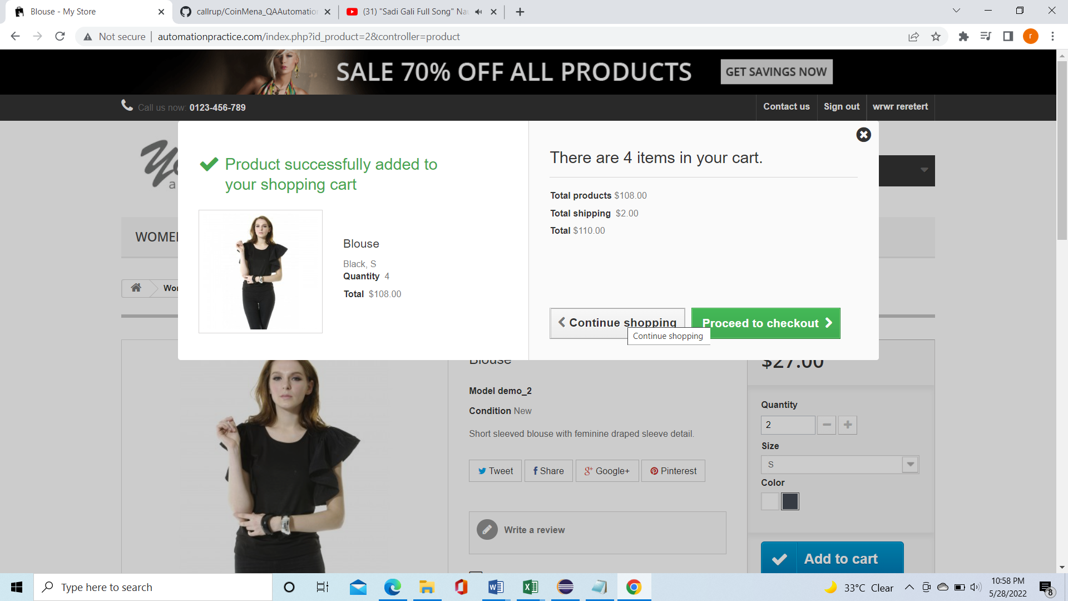
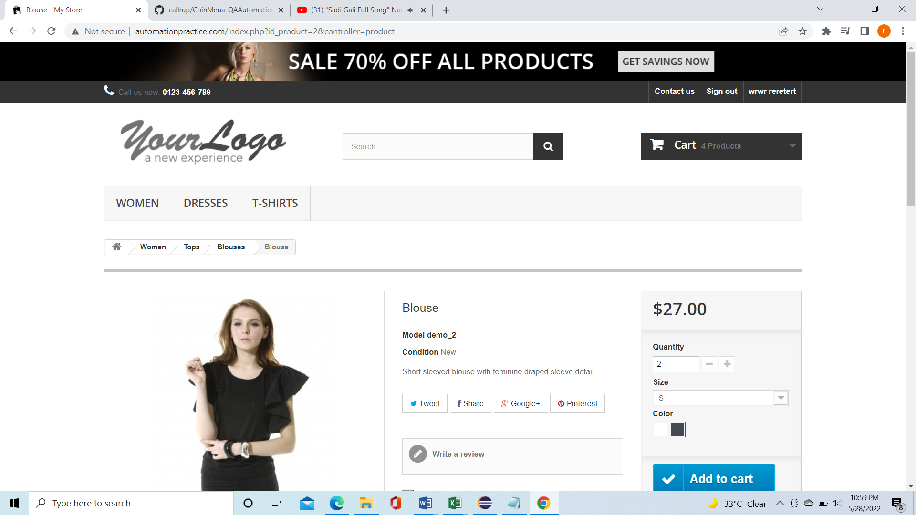
Defect Id | Defect Desc | Steps to reporoduce | Severity | Priority | AssignedTo | Environment | Created Date | DueDate | Created By
LOG001 | Continue Shopping is not directing user to the home Page | 1. User log into the application | Medium | Low |  | Test | 28/5/2022 |  | Rupam
 |  | 2. User select the dress and click on Add to cart
 |  | 3. User verify the cart
 |  | 4. User click on Continue Shopping

